Auth - UIComposer - Project
 | Sanity Check UIComposer + Project

 | STEPS DESCRIPTION TO EXECUTE THE SANITY TEST
# | Step | Expected Results
1 | Log or Sign up to Norman
2 | Create a Project
 | click on Projects
 | New Project
 | Set Projet name : 'My Project 1 for example
 | Open the Project |  | 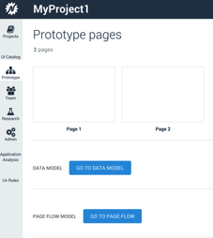
3 | Click on Page 1
 |  | Default UIComposer should be displayed
 |  | OpenUI5 library should be displayed per default in the left Pane
 |  | Controls should be displayed inthe Left pane
 |  | Tree view displayed with default selected is Page1

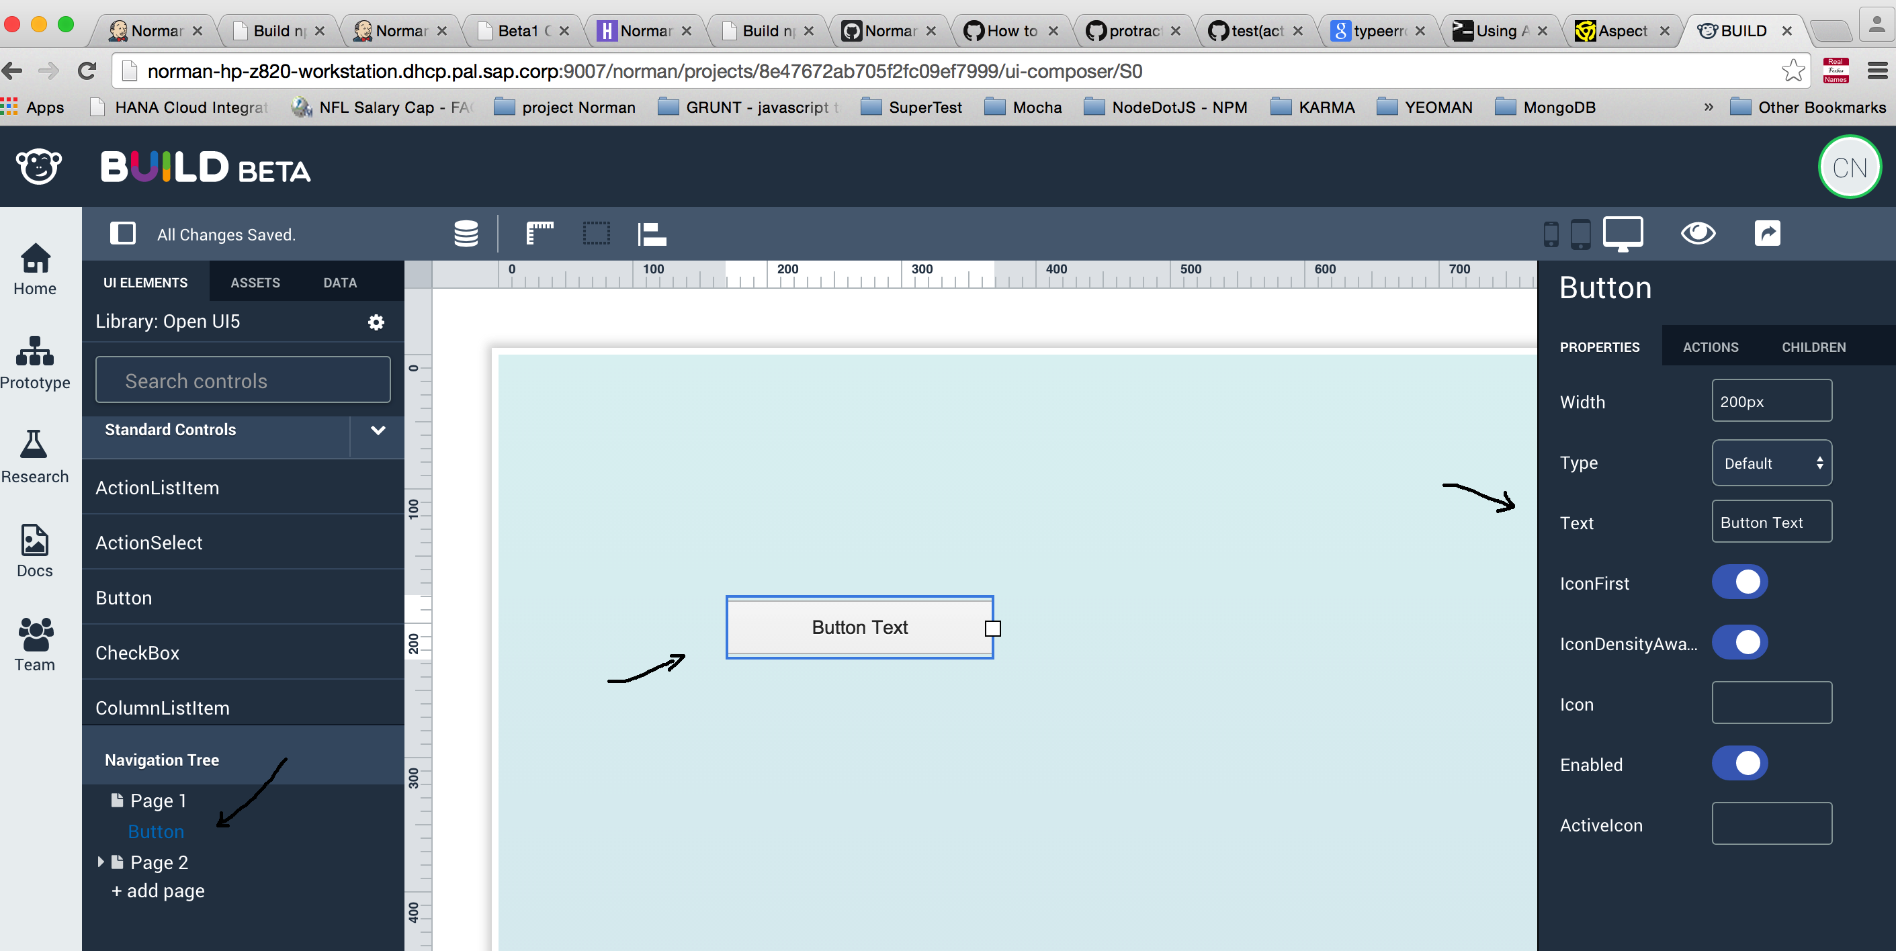
 |  |  | 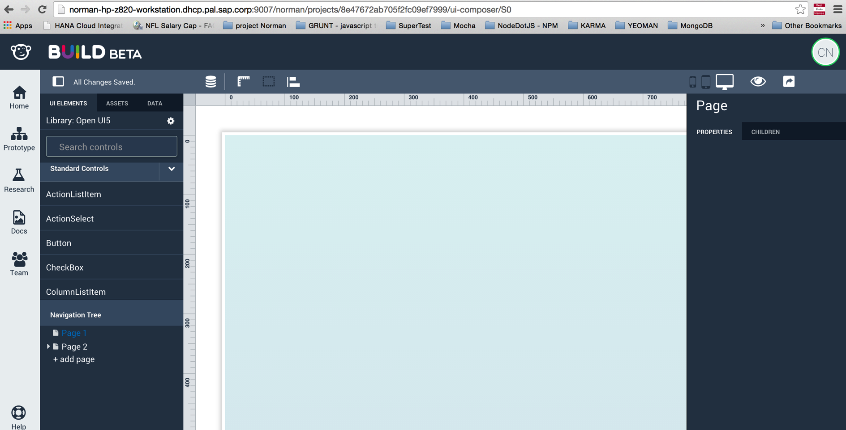
4 | Drag and drop a control
 | Drag and drop a Button control from the OpenUI5 control list on the right side | Button should appear in the Canvas
 |  | Tree view has Button control displayed under page 1
 |  | Properties panel on the right side displayed

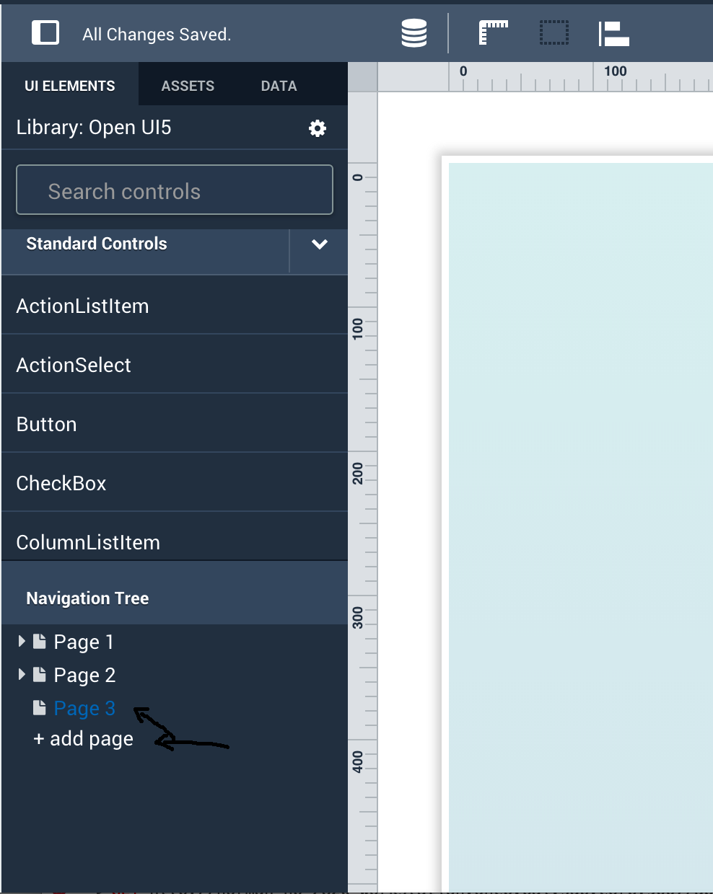
5 | Add a new Page
 | Click plus button (+) on to add a new page | A new page should displayed
 |  | The Canvas should be empty
 |  | New page displayed in tree view that is same level with other pages
 |  | New page is selected

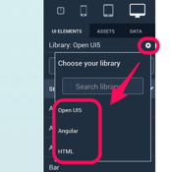
6 | Change UI Library (Not applicable for now)
 | Click on setting gear icon next to Library | Check the list of display UI library (show UICatlog integration)

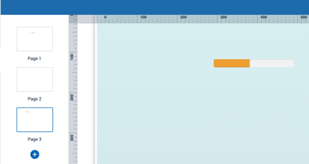
 | select 'Angular' option | Check the list of control is updated
 |  |  | 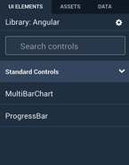
7 | Add an Angular control (Not applicable for now)
 | Drag and drop ProgressBar in new page | verify ProgressBar displayed in page3

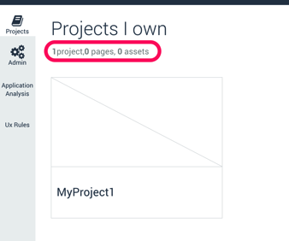
8 | Return to Project
 | Click Projects menu from left pane | Verify project name (MyProject1) displayed correctly
 |  | Verify Projects page displayed 1 projects, 3 pages, 0 assets

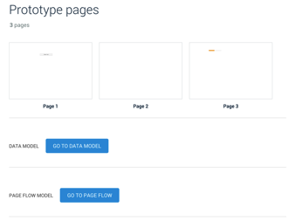
9 | Open Project
 | Click on MyProject1 | Verify three pages are displayed
 |  | The controls added in step 4 should be displayed

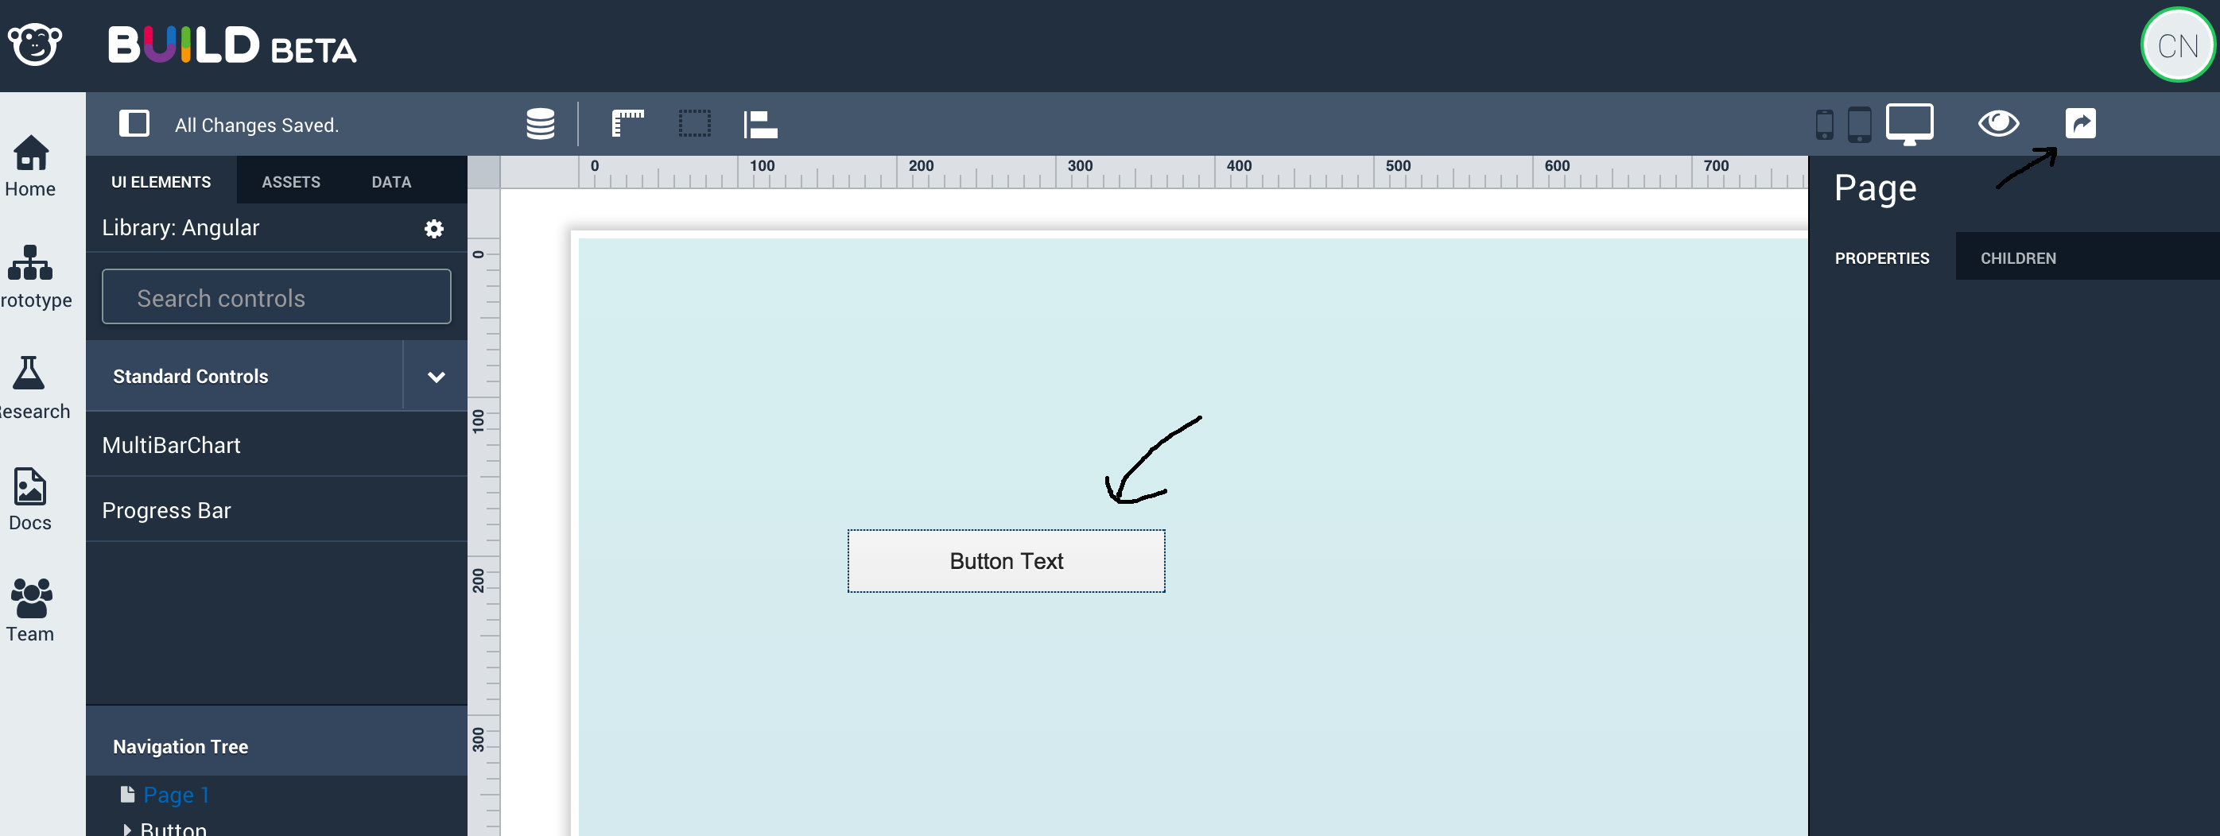
10 | Take a Snapshot
 | Click on Page 1 | The controls added in step 4 should be displayed

 | Click camera icon from top blue bar to save a snapshot | Verify message displayed saying snapshot is save successfully
 |  |  | 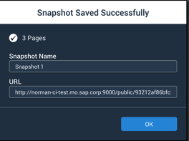
11 | Add team member
 | Select Team in the Left Pane
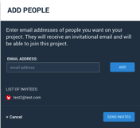
 | Click on "Add People" buton | Add People pop p should be displayed

 | Invite a user P2
 | Add user's email address (example: test2@test.com)
 | Select Invite | Project home screen should be displayed
 |  | Invitation should be sent
 |  | Pending invitation should be up too date

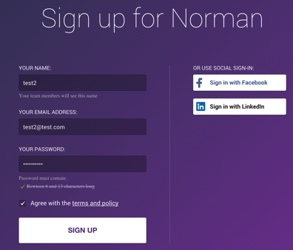
 |  |  | 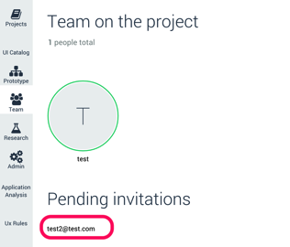
12 | log or signup as user P2
 | Log with user P2 (works with Social sing-in as long as the email address used is theone defeined in previou step)

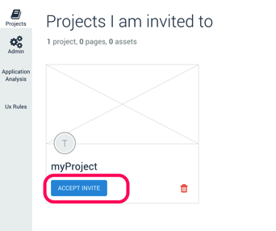
11 | Accept Invitation
 | Select Project in the Left Pane | Pending invitation should be displayed

 | Accept invitation | Project screen should be updated

 |  |  | 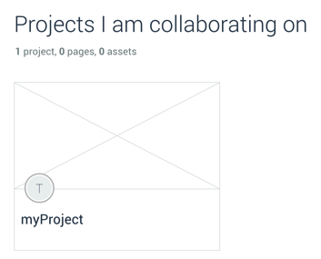
12 | Check Project
 | Open Project | Check its content is in sync with step 8

DataModeler DataSample Server
 | DataModeler/Sample DataServer SANITY CHECK

 | 1 Create a Project with xls option
 | 2 Update Data Model with import xls option
 | 3 Run Prototype

 | STEPS DESCRIPTION TO EXECUTE THE SANITY TEST
# | Step | Expected Results
1 | Log on Norman
2 | Create a Project with xls option
 | click on Projects
 | New Project
 | Set project Title: TESTPROJECTXLS, enter
 | Open the project: Click on TESTPROJECTXLS
 | Click on Go to Data Model button
 | On Create a Data Model Window click on import | Check windows to choose xls file appears
 | Select File to upload Sales Order Data model.xlsx file | Check canvas appears with these entities and these relations

 | Select SalesOrder entity
 | In the right panel in properties tab check Salesorder has the following properties | Check SalesOrder properties | Check SalesOrderItem properties | Check Product properties
 | Select SalesOrderItem entity
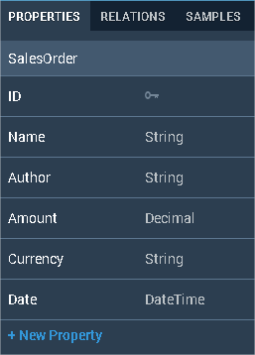
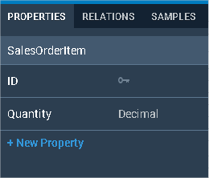
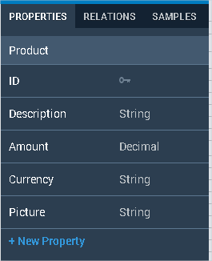
 | In the right panel in properties tab check SalesorderItem has the following properties
 | Select product entity
 | In the right panel in properties tab check Product has the following properties

3 | Delete 'SalesOrderItem' Entity in Data Model
 | Delete Product entity: Select SalesOderItem click on cross icon. | Check Product disappears of canvas

4 | ReCreate 'SalesOrderItem' manually
 | Create a new manual Entity

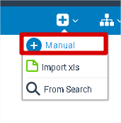

 | Name it 'SalesOderItem' and validate it

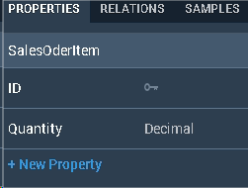
 | Create manual property
 | Select SalerOrderItem and on right panel click in '+ New Property'
 | Create property named 'Quantity' with 'Decimal' type
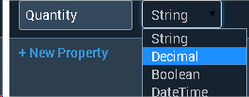

5 | Add Navigation Properties
 | Trace a navigation property between 'SalesOrder' and 'SalesOrderItem'
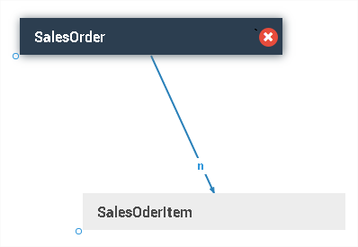

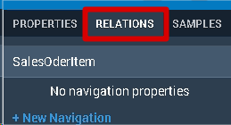
 | Create a navigation property manualy
 | Select 'SalesOrderItem' and select Reletions Tab in right panel

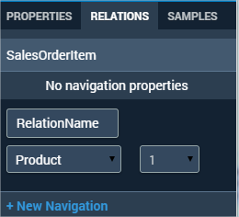
 | Relation Name: RelationName To: Product Relation Type: 1

 | Expected Data Model lik that

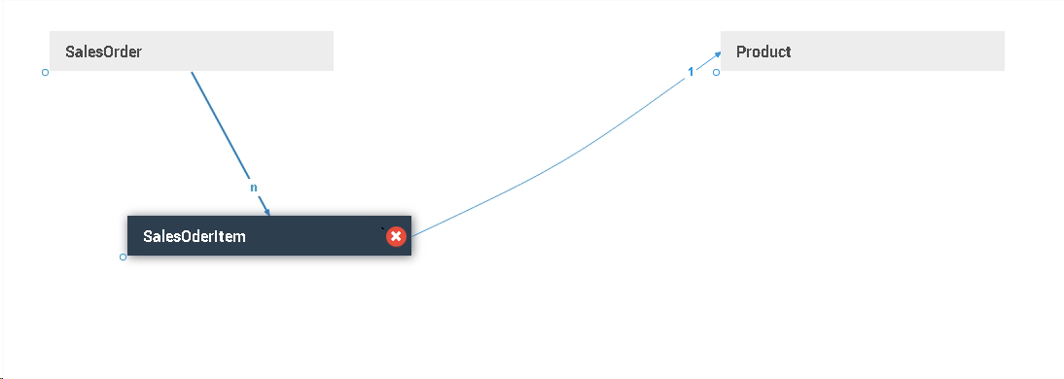

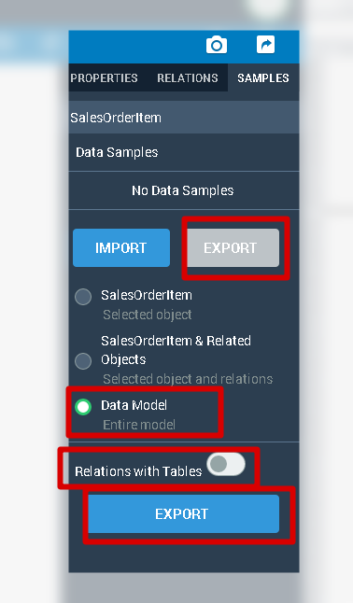
6 | Export DataModel

 | On the right panel open 'Samples' tab
 | Select Export
 | Full DataModel
 | Without 'Relations with Tables'
 | And click on export

 | Open excel file downloaded and it should be like that

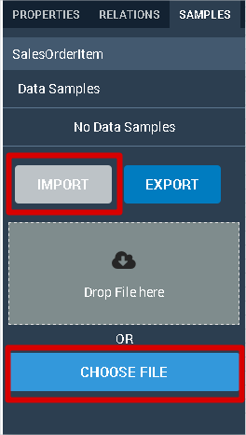
7 | Import Sample Data
 | On the right panel open 'Samples' tab
 | Select Import
 | Click on 'Choose File' and select Sales Order Data model.xlsx file
 |  |  | No error expected

UserResearch
 | Sanity Test User Research

 | STEPS DESCRIPTION TO EXECUTE THE SANITY TEST
# | Step | Expected Results
1 | Log or Sign up to Norman
2 | Create a Project
 | click on Projects
 | New Project |  | 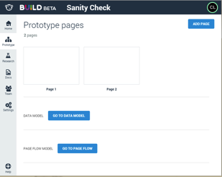
 | Select Research in the Left pane | Check Resarch home page
 |  | 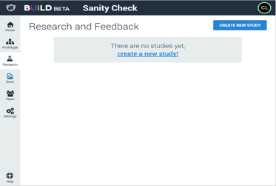
3 | Create a Study on Static Images
 | Select" Create New Study" | Study cretion popup should be displayed
 | Fill up Study Name and description

 |  | 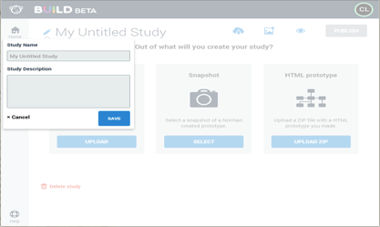
 | Save study | Checl Study screen

 |  |  | 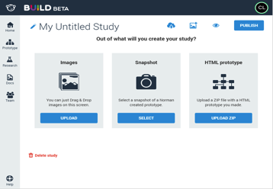
4 | Drag and drop a screenshot
 | Select Upload on Images Tile | Select Assets Dialog should open.
 |  | 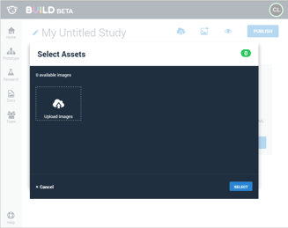
 | Drag some images on to the dialog | The images should be uploaded and selected
 |  |  | 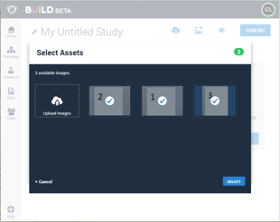
 | Click Select to close the dialog | The selected images should appear on the study.
 |  |  | 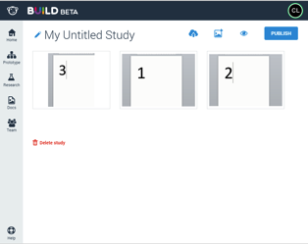

5 | Add a question
 | Click on an uploaded screenshot
 | Add a question and save. |  | 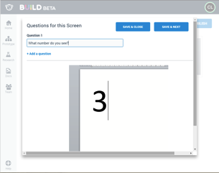
 | (Repeat for all screens uploaded)

6 | Publisn Study
 | Select the Publish button | Confirmation screen should be displayed
 |  |  | 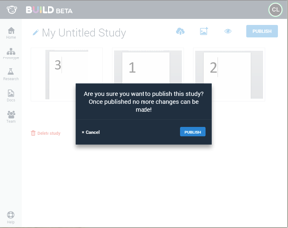

 | Confirm the Study publication | Publication confirmation should be displayed

 |  |  | 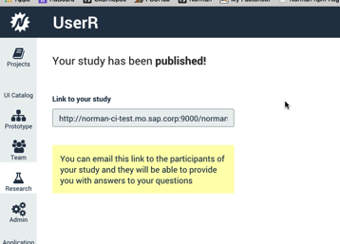
 | Copy the Study URL

7 | Open a new browser instance
 | Navigate to the Study URL (http://<myServer>/norman/projects/<Project ID>/research/participant/<Study ID2>) | Login in screen shoule be displayed
 | Login or sign-up with a different user from previous steps | Study participant home screen should be displayed
 |  |  | 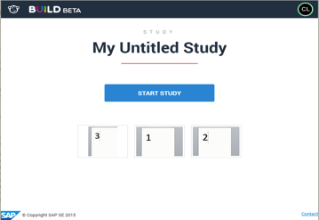

8 | Start Study
 | Select Start Study | The first question should open
 | Add a comment and validate

 |  |  | 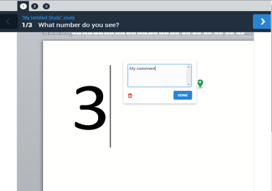
 | If there are multiple questions in the study: | There should be tabs on the top to navigate
 | Click on the tabs to go to the lasy question | The last question should appear
 | Select the Done button | Participant home screen should be displayed
 |  | Screens with ansers should appear as with a green tick.

 |  |  | 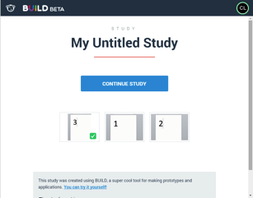
 | Create a Study on HTML Prototype
 | Go back to User Research and create a new study | Study cretion popup should be displayed
 | Enter name and description and click Save. | Should show screen with options to create study.
 | Select Upload Zip on HTML Prototype Tile. | Upload Zip dialog should open.
 |  |  | 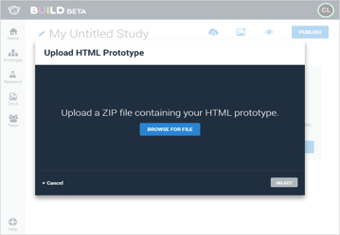
 | Click Browser for file | File explorer should open
 | Select GLLinItems.zip (download from Jam here: https://jam4.sapjam.com/groups/60qDosrRAVDTLeeirVt451/content?folder_id=HuhlwTf9pwlyZHuNTugZ6J ) | Processing dialog should appear until upload is complete
 |  |  | 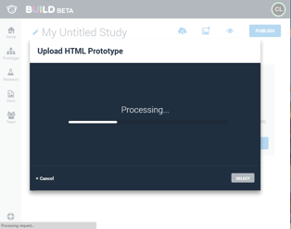
 | Wait until Processing is complete | Screen thumbnails should appear in the dialog
 |  | 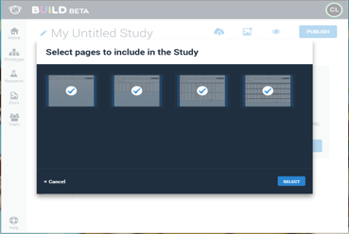
 | Click Select | The selected images should appear on the study.
 | Add Questions to each of the screens and Click Publish. | Confirmation screen should be displayed
 | Confirm and click publish on dialog | Publication confirmation should be displayed

 | Particpate in HTML Prototype Study

 | Open participant url in a new window | There should be thumbnails for each screen.
 |  |  | 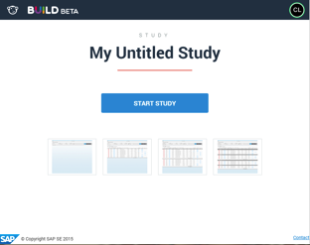

 | Click on a thumbnail | The screen for that thubmnail should load.
 | Select Feedback mode and click on the screem. | An annotation should appear and comment box open.
 | Select Interactive Mode and click on the screen. | It should be interactive.

 | Create a Study on Norman Prototype

 | Go back to User Research and create a new study | Study cretion popup should be displayed
 | Enter name and description and click Save. | Should show screen with options to create study.
 | Click Select on Snapshot Tile. | Select snapshot dialog should open.
 |  | The list of snapshots should show thumbnails of the pages. | 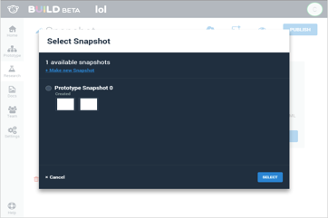
 | Select a snapshot or make a new snaphot and select. | The thubnails of the prototype should appear on the study.
 | Click on a thubnail. | The prototype page should open in the question editor.
 | Add Questions to each of the screens and Click Publish. | Confirmation screen should be displayed
 | Confirm and click publish on dialog | Publication confirmation should be displayed

 | Particpate in Norman Prototype Study

 | Open participant url in a new window | There should be thumbnails for each screen.
 |  |  | 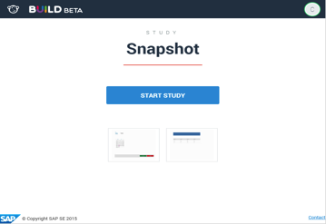
 | Click on a thumbnail | The page for that thubmnail should load.
 | Select Feedback mode and click on the screem. | An annotation should appear and comment box open.
 | Select Interactive Mode and click on the screen. | It should be interactive.

Admin
 | Sanity Check UIComposer + Project

 | STEPS DESCRIPTION TO EXECUTE THE SANITY TEST
# | Step | Expected Results
1 | Log In
2 | Enter an email address without password | An error appears | 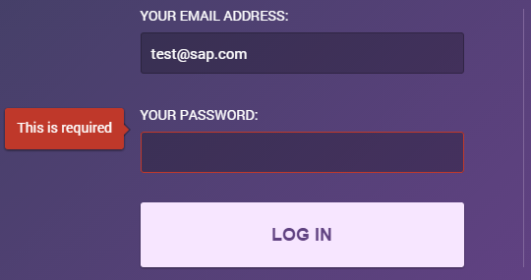
3 | Enter an wrong email address with password | An error appears | 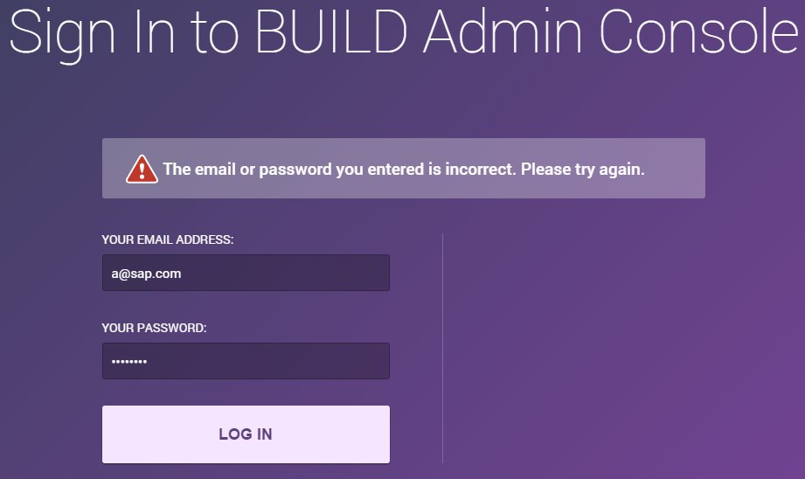
4 | Enter your email address and your password | you are connected
 |  | You see this page : | 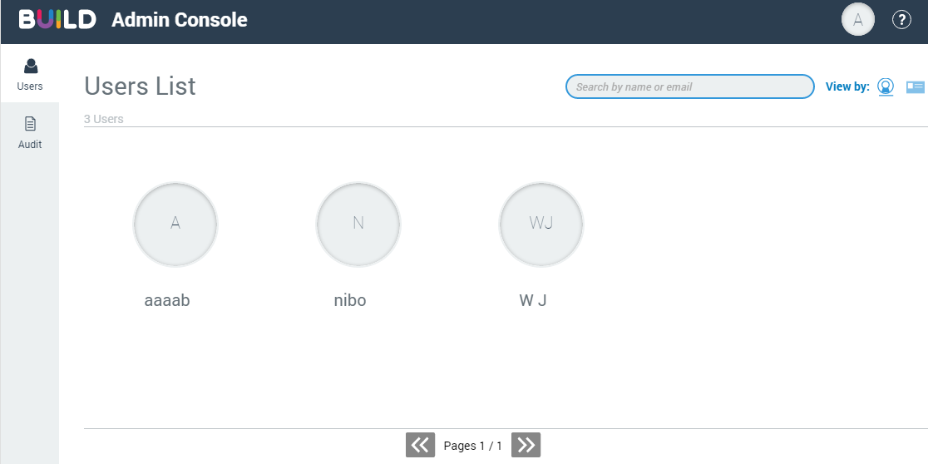
5 | Check that the tab is selected, you see users, the help…
6 | Help & Provacy statement
7 | Click on 'Help' | A pdf is opened in an other tab |  
8 | Click on 'Privacy statement' | The 'Privacy statement' is opened in a new tab | 
9 | Click on 'Back' | The 'Users' tab appears

Admin_Users List
 | Sanity Check Users List

 | STEPS DESCRIPTION TO EXECUTE THE SANITY TEST
# | Step | Expected Results
1 | Search
2 | Type 'Pete' | Pete Sampras appears | 
3 | Type 'dddd' | no user
4 | Clear the search clicking on the cross | the users appears | 
5 | Users List
6 | Click on the icon detail | the users appears with users details
 |  | Check that the name, the role and the address mail appear | 
7 | Play with the pagination | Check that the pagination works well
8 | User Role
9 | Search 'Pete Sampras'
10 | Click on 'Pete Sampras' user | the 'Set Role' appears | 
11 | Select 'Guest' role | the 'guest' is selected.
12 | Click on 'OK' | The 'Guest' role appears in the details user | 

Admin_Audit
 | Sanity Check Users List

 | STEPS DESCRIPTION TO EXECUTE THE SANITY TEST
# | Step | Expected Results
1 | Audit
2 | Go to the 'Audit' tab | The 'Audit' page appears | 
3 | Select 'Last 24 Hours' and click on 'Download' | The file is downloaded | 
4 | Open the file downloaded file | Check the data
5 | Select 'Custom' | The custom button is selected
6 | Select start date : an old date
7 | Select end date : an old date
8 | Click on 'Download' | An error message appears | 

